FRONT PAGE
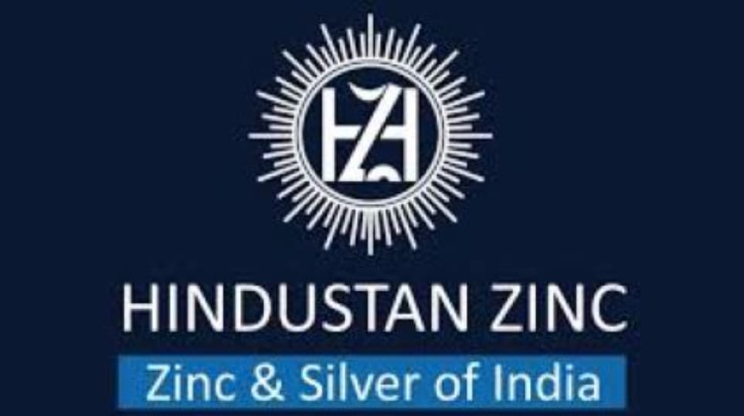

India’s largest producer of zinc, lead, and silver
Subsidiary of Vedanta Limited
Operates integrated mining and smelting units mainly in Rajasthan
Supplies metals to construction, automobile, infrastructure, and electronics industries
Known for low production cost, strong profits, and high dividend payouts
Major player in India’s non-ferrous metals sector

Company Name: Hindustan Zinc Limited
Company Symbol (Ticker): HINDZINC
ISIN: INE267A01025
Industry: Metals & Mining
Sector: Non-Ferrous Metals
Stock Exchange (Shares Listed): NSE, BSE
Latest Annual Statement: FY2025
First Year of Projections: FY2026
Date of Projections: 31-Mar-2025
Reporting Currency: INR
Target Price: (Leave Blank – model output)
Current Stock Price: 520
Date of Stock Price: 31-Mar-2025
52-week High: 807
52-week Low: 285
Market Cap (Tcr): 2.40
Price/Sales 2023: 8.0
ROE 2023: 0.50
Total Debt/Equity 2023: 0.05
Primary Shares Outstanding (cr): 422

CHARTS
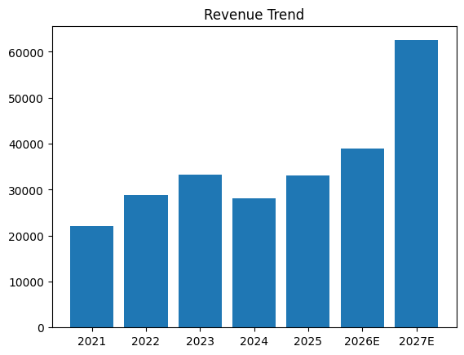
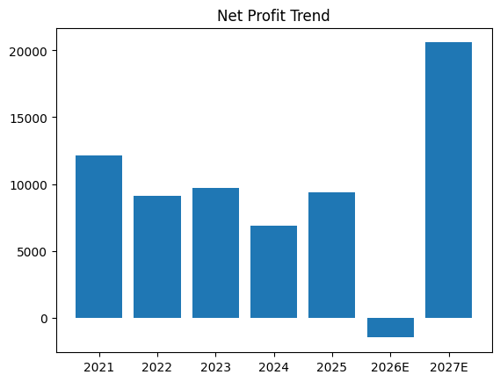
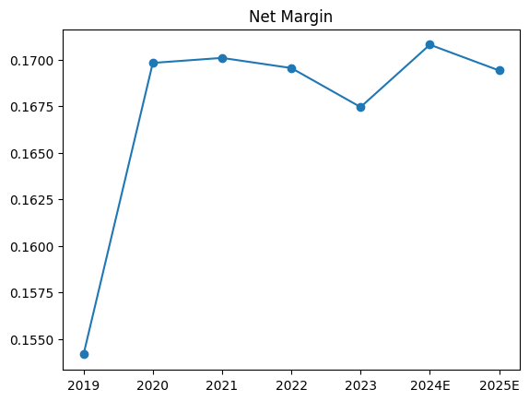
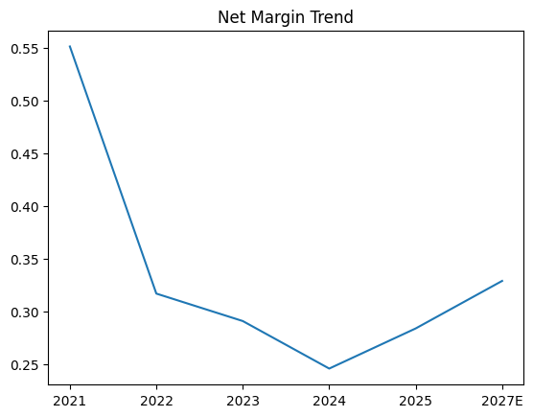
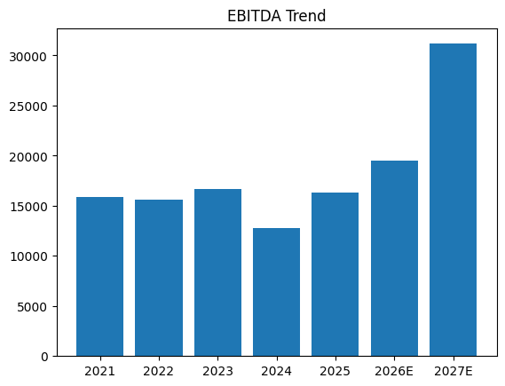
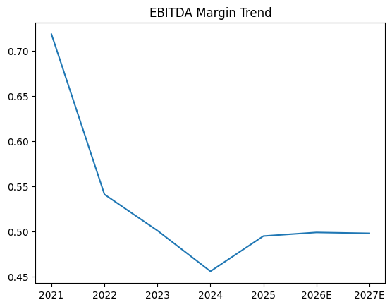
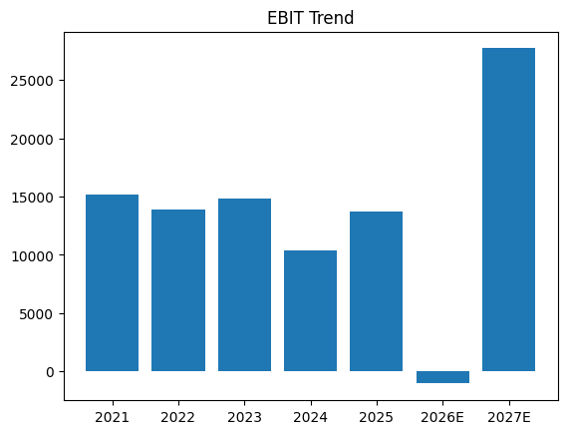
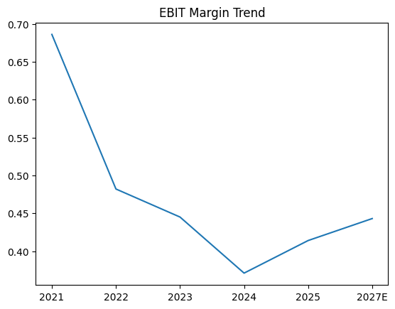
FINANCIAL DATA CHARTS
Particular | 2021 | 2022 | 2023 | 2024 | 2025 | 2026E | 2027E
Revenue | 22,071 | 28,790 | 33,272 | 28,082 | 33,041 | 39,019 | 62,511
Revenue Growth % | — | 30.40% | 15.60% | -15.60% | 17.70% | 18.10% | 60.20%
EBITDA | 15,844 | 15,575 | 16,680 | 12,806 | 16,346 | 19,483 | 31,160
EBITDA Margin % | 71.80% | 54.10% | 50.10% | 45.60% | 49.50% | 49.90% | 49.80%
EBIT | 15,132 | 13,877 | 14,795 | 10,412 | 13,689 | -1,041 | 27,705
EBIT Margin % | 68.60% | 48.20% | 44.50% | 37.10% | 41.40% | __ | 44.30%
Net Profit | 12,152 | 9,116 | 9,685 | 6,909 | 9,394 | -1,507 | 20,591
Net Margin % | 55.10% | 31.70% | 29.10% | 24.60% | 28.40% | NEG | 32.90%

